EducDist
Educational Distribution by Educational Attainment Level for Westmoreland/Fayette WDA

Area | Educational Grouping | Employment (2018) | Projected Employment (2028)
Westmoreland/Fayette | Advanced degree | 5,650 | 6,110
Westmoreland/Fayette | Bachelor's degree | 27,680 | 28,870
Westmoreland/Fayette | Associate degree | 4,300 | 4,460
Westmoreland/Fayette | PS education or experience | 34,310 | 35,300
Westmoreland/Fayette | Long-term training | 8,800 | 9,010
Westmoreland/Fayette | Moderate-term OJT | 27,120 | 26,530
Westmoreland/Fayette | Short-term OJT | 81,460 | 81,810

Employment Distribution by Educational Level for Westmoreland/Fayette WDA (2028)
Employment Distribution by Educational Level for Westmoreland/Fayette WDA (2018)

Source: Long-Term Occupational Employment Projections (2018-28)

GrowthRates
Employment Growth Rates by Educational Attainment Level for Westmoreland/Fayette WDA

Area | Educational Grouping | Employment (2018) | Projected Employment (2028) | Percent Change (2018-28)
Westmoreland/Fayette | On-the-job training | 108,580 | 108,340 | -0.2%
Westmoreland/Fayette | Long-term training | 8,800 | 9,010 | 2.4%
Westmoreland/Fayette | PS education or experience | 34,310 | 35,300 | 2.9%
Westmoreland/Fayette | Associate degree | 4,300 | 4,460 | 3.7%
Westmoreland/Fayette | Bachelor's degree | 27,680 | 28,870 | 4.3%
Westmoreland/Fayette | Advanced degree | 5,650 | 6,110 | 8.1%

Employment Growth by Educational Level in Westmoreland/Fayette WDA (2018-28)

Source: Long-Term Occupational Employment Projections (2018-28)

Commuters
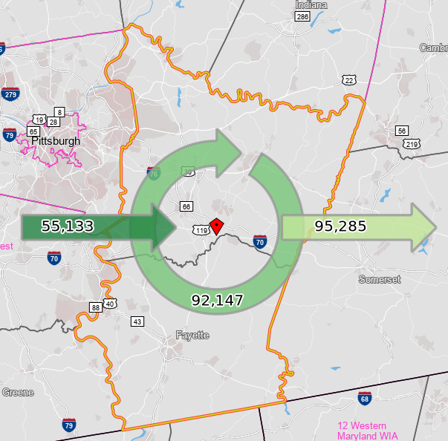
Inflow/Outflow Report, Westmoreland/Fayette WDA, 2018
 | Count | Share
Employed in the WDA | 147,280 | 100.0%
Employed in the WDA but Living Outside | 55,133 | 37.4%
Employed and Living in the WDA | 92,147 | 62.6%

Living in the WDA | 187,432 | 100.0%
Living in the WDA but Employed Outside | 95,285 | 50.8%
Living and Employed in the WDA | 92,147 | 49.2%

Net Commuting In/Out* | -40,152

*A positive number indicates the number of individuals working in the WDA but living outside is higher than the number of individuals living in the WDA but employed outside. A negative number indicates the opposite.

