EducDist
Educational Distribution by Educational Attainment Level for West Central WDA

Area | Educational Grouping | Employment (2018) | Projected Employment (2028)
West Central | Advanced degree | 2,900 | 3,150
West Central | Bachelor's degree | 12,850 | 13,380
West Central | Associate degree | 1,850 | 1,940
West Central | PS education or experience | 15,490 | 15,730
West Central | Long-term training | 3,430 | 3,500
West Central | Moderate-term OJT | 12,430 | 12,020
West Central | Short-term OJT | 33,630 | 33,740

Employment Distribution by Educational Level for West Central WDA (2028)
Employment Distribution by Educational Level for West Central WDA (2018)

Source: Long-Term Occupational Employment Projections (2018-28)

GrowthRates
Employment Growth Rates by Educational Attainment Level for West Central WDA

Area | Educational Grouping | Employment (2018) | Projected Employment (2028) | Percent Change (2018-28)
West Central | On-the-job training | 46,060 | 45,760 | -0.7%
West Central | Long-term training | 3,430 | 3,500 | 2.0%
West Central | PS education or experience | 15,490 | 15,730 | 1.5%
West Central | Associate degree | 1,850 | 1,940 | 4.9%
West Central | Bachelor's degree | 12,850 | 13,380 | 4.1%
West Central | Advanced degree | 2,900 | 3,150 | 8.6%

Employment Growth by Educational Level in West Central WDA (2018-28)

Source: Long-Term Occupational Employment Projections (2018-28)

Commuters
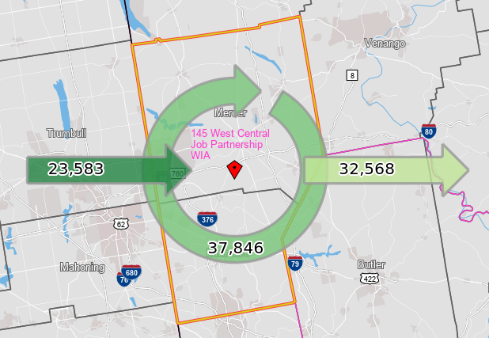
Inflow/Outflow Report, West Central WDA, 2018
 | Count | Share
Employed in the WDA | 61,429 | 100.0%
Employed in the WDA but Living Outside | 23,583 | 38.4%
Employed and Living in the WDA | 37,846 | 61.6%

Living in the WDA | 70,414 | 100.0%
Living in the WDA but Employed Outside | 32,568 | 46.3%
Living and Employed in the WDA | 37,846 | 53.7%

Net Commuting In/Out* | -8,985

*A positive number indicates the number of individuals working in the WDA but living outside is higher than the number of individuals living in the WDA but employed outside. A negative number indicates the opposite.

