EducDist
Educational Distribution by Educational Attainment Level for Tri-County WDA

Area | Educational Grouping | Employment (2018) | Projected Employment (2028)
Tri-County | Advanced degree | 5,660 | 6,320
Tri-County | Bachelor's degree | 23,990 | 26,150
Tri-County | Associate degree | 3,140 | 3,350
Tri-County | PS education or experience | 27,570 | 28,940
Tri-County | Long-term training | 6,330 | 6,610
Tri-County | Moderate-term OJT | 20,900 | 21,280
Tri-County | Short-term OJT | 57,580 | 59,520

Employment Distribution by Educational Level for Tri-County WDA (2028)
Employment Distribution by Educational Level for Tri-County WDA (2018)

Source: Long-Term Occupational Employment Projections (2018-28)

GrowthRates
Employment Growth Rates by Educational Attainment Level for Tri-County WDA

Area | Educational Grouping | Employment (2018) | Projected Employment (2028) | Percent Change (2018-28)
Tri-County | On-the-job training | 78,480 | 80,790 | 2.9%
Tri-County | Long-term training | 6,330 | 6,610 | 4.4%
Tri-County | PS education or experience | 27,570 | 28,940 | 5.0%
Tri-County | Associate degree | 3,140 | 3,350 | 6.7%
Tri-County | Bachelor's degree | 23,990 | 26,150 | 9.0%
Tri-County | Advanced degree | 5,660 | 6,320 | 11.7%

Employment Growth by Educational Level in Tri-County WDA (2018-28)

Source: Long-Term Occupational Employment Projections (2018-28)

Commuters
Inflow/Outflow Report, Tri-County WDA, 2018
 | Count | Share
Employed in the WDA | 111,265 | 100.0%
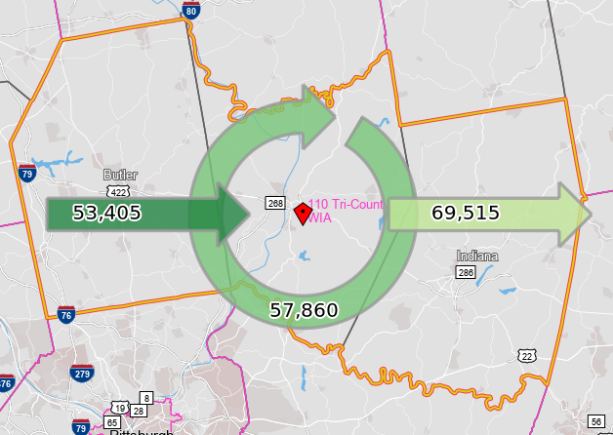
Employed in the WDA but Living Outside | 53,405 | 48.0%
Employed and Living in the WDA | 57,860 | 52.0%

Living in the WDA | 127,375 | 100.0%
Living in the WDA but Employed Outside | 69,515 | 54.6%
Living and Employed in the WDA | 57,860 | 45.4%

Net Commuting In/Out* | -16,110

*A positive number indicates the number of individuals working in the WDA but living outside is higher than the number of individuals living in the WDA but employed outside. A negative number indicates the opposite.

