EducDist
Educational Distribution by Educational Attainment Level for Southern Alleghenies WDA

Area | Educational Grouping | Employment (2018) | Projected Employment (2028)
Southern Alleghenies | Advanced degree | 6,830 | 7,410
Southern Alleghenies | Bachelor's degree | 29,730 | 30,900
Southern Alleghenies | Associate degree | 3,870 | 4,000
Southern Alleghenies | PS education or experience | 35,610 | 36,620
Southern Alleghenies | Long-term training | 7,720 | 7,870
Southern Alleghenies | Moderate-term OJT | 26,070 | 25,570
Southern Alleghenies | Short-term OJT | 76,670 | 76,920

Employment Distribution by Educational Level for Southern Alleghenies WDA (2028)
Employment Distribution by Educational Level for Southern Alleghenies WDA (2018)

Source: Long-Term Occupational Employment Projections (2018-28)

GrowthRates
Employment Growth Rates by Educational Attainment Level for Southern Alleghenies WDA

Area | Educational Grouping | Employment (2018) | Projected Employment (2028) | Percent Change (2018-28)
Southern Alleghenies | On-the-job training | 102,750 | 102,490 | -0.3%
Southern Alleghenies | Long-term training | 7,720 | 7,870 | 1.9%
Southern Alleghenies | PS education or experience | 35,610 | 36,620 | 2.8%
Southern Alleghenies | Associate degree | 3,870 | 4,000 | 3.4%
Southern Alleghenies | Bachelor's degree | 29,730 | 30,900 | 3.9%
Southern Alleghenies | Advanced degree | 6,830 | 7,410 | 8.5%

Employment Growth by Educational Level in Southern Alleghenies WDA (2018-28)

Source: Long-Term Occupational Employment Projections (2018-28)

Commuters
Inflow/Outflow Report, Southern Alleghenies WDA, 2018
 | Count | Share
Employed in the WDA | 131,849 | 100.0%
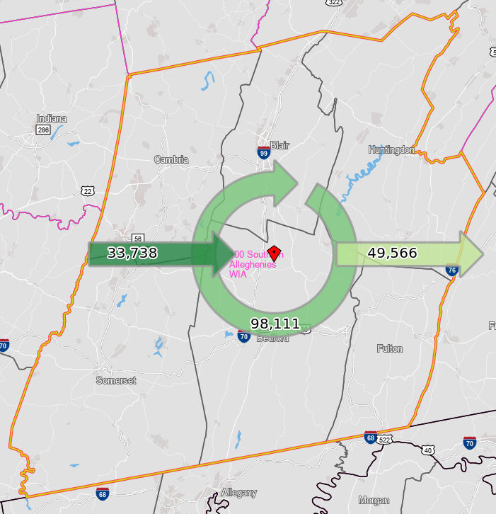
Employed in the WDA but Living Outside | 33,738 | 25.6%
Employed and Living in the WDA | 98,111 | 74.4%

Living in the WDA | 147,677 | 100.0%
Living in the WDA but Employed Outside | 49,566 | 33.6%
Living and Employed in the WDA | 98,111 | 66.4%

Net Commuting In/Out* | -15,828

*A positive number indicates the number of individuals working in the WDA but living outside is higher than the number of individuals living in the WDA but employed outside. A negative number indicates the opposite.

