EducDist
Educational Distribution by Educational Attainment Level for South Central WDA

Area | Educational Grouping | Employment (2018) | Projected Employment (2028)
South Central | Advanced degree | 25,940 | 28,900
South Central | Bachelor's degree | 138,840 | 151,270
South Central | Associate degree | 15,380 | 16,860
South Central | PS education or experience | 126,430 | 135,270
South Central | Long-term training | 27,660 | 29,590
South Central | Moderate-term OJT | 87,280 | 89,420
South Central | Short-term OJT | 293,980 | 310,330

Employment Distribution by Educational Level for South Central WDA (2028)
Employment Distribution by Educational Level for South Central WDA (2018)

Source: Long-Term Occupational Employment Projections (2018-28)

GrowthRates
Employment Growth Rates by Educational Attainment Level for South Central WDA

Area | Educational Grouping | Employment (2018) | Projected Employment (2028) | Percent Change (2018-28)
South Central | On-the-job training | 381,260 | 399,750 | 4.8%
South Central | Long-term training | 27,660 | 29,590 | 7.0%
South Central | PS education or experience | 126,430 | 135,270 | 7.0%
South Central | Associate degree | 15,380 | 16,860 | 9.6%
South Central | Bachelor's degree | 138,840 | 151,270 | 9.0%
South Central | Advanced degree | 25,940 | 28,900 | 11.4%

Employment Growth by Educational Level in South Central WDA (2018-28)

Source: Long-Term Occupational Employment Projections (2018-28)

Commuters
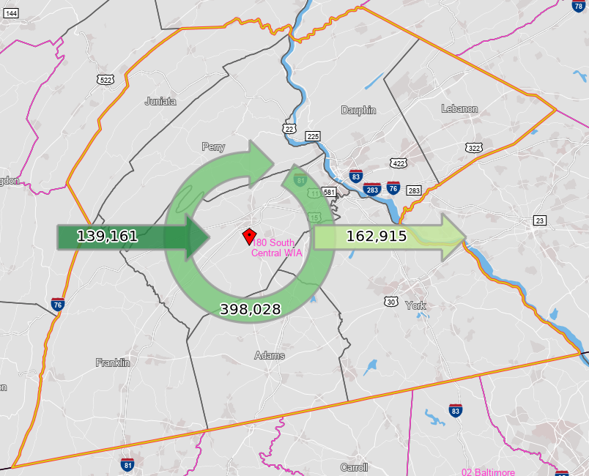
Inflow/Outflow Report, South Central WDA, 2018
 | Count | Share
Employed in the WDA | 537,189 | 100.0%
Employed in the WDA but Living Outside | 139,161 | 25.9%
Employed and Living in the WDA | 398,028 | 74.1%

Living in the WDA | 560,943 | 100.0%
Living in the WDA but Employed Outside | 162,915 | 29.0%
Living and Employed in the WDA | 398,028 | 71.0%

Net Commuting In/Out* | -23,754

*A positive number indicates the number of individuals working in the WDA but living outside is higher than the number of individuals living in the WDA but employed outside. A negative number indicates the opposite.

