EducDist
Educational Distribution by Educational Attainment Level for Philadelphia WDA

Area | Educational Grouping | Employment (2018) | Projected Employment (2028)
Philadelphia | Advanced degree | 58,040 | 64,110
Philadelphia | Bachelor's degree | 184,730 | 199,070
Philadelphia | Associate degree | 20,600 | 22,310
Philadelphia | PS education or experience | 113,210 | 120,700
Philadelphia | Long-term training | 18,370 | 19,120
Philadelphia | Moderate-term OJT | 65,660 | 67,460
Philadelphia | Short-term OJT | 276,540 | 291,140

Employment Distribution by Educational Level for Philadelphia WDA (2028)
Employment Distribution by Educational Level for Philadelphia WDA (2018)

Source: Long-Term Occupational Employment Projections (2018-28)

GrowthRates
Employment Growth Rates by Educational Attainment Level for Philadelphia WDA

Area | Educational Grouping | Employment (2018) | Projected Employment (2028) | Percent Change (2018-28)
Philadelphia | On-the-job training | 342,210 | 358,600 | 4.8%
Philadelphia | Long-term training | 18,370 | 19,120 | 4.1%
Philadelphia | PS education or experience | 113,210 | 120,700 | 6.6%
Philadelphia | Associate degree | 20,600 | 22,310 | 8.3%
Philadelphia | Bachelor's degree | 184,730 | 199,070 | 7.8%
Philadelphia | Advanced degree | 58,040 | 64,110 | 10.5%

Employment Growth by Educational Level in Philadelphia WDA (2018-28)

Source: Long-Term Occupational Employment Projections (2018-28)

Commuters
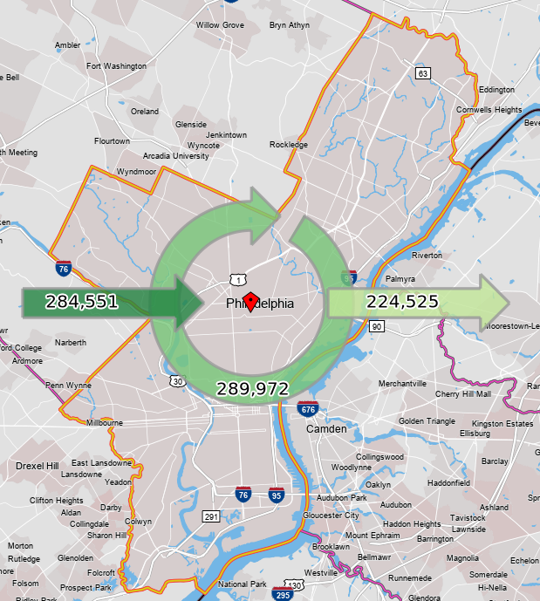
Inflow/Outflow Report, Philadelphia WDA, 2018
 | Count | Share
Employed in the WDA | 574,523 | 100.0%
Employed in the WDA but Living Outside | 284,551 | 49.5%
Employed and Living in the WDA | 289,972 | 50.5%

Living in the WDA | 514,497 | 100.0%
Living in the WDA but Employed Outside | 224,525 | 43.6%
Living and Employed in the WDA | 289,972 | 56.4%

Net Commuting In/Out* | 60,026

*A positive number indicates the number of individuals working in the WDA but living outside is higher than the number of individuals living in the WDA but employed outside. A negative number indicates the opposite.

