EducDist
Educational Distribution by Educational Attainment Level for Northern Tier WDA

Area | Educational Grouping | Employment (2018) | Projected Employment (2028)
Northern Tier | Advanced degree | 1,840 | 2,000
Northern Tier | Bachelor's degree | 8,910 | 9,320
Northern Tier | Associate degree | 1,060 | 1,130
Northern Tier | PS education or experience | 13,920 | 14,260
Northern Tier | Long-term training | 2,830 | 2,940
Northern Tier | Moderate-term OJT | 10,360 | 10,290
Northern Tier | Short-term OJT | 24,020 | 24,390

Employment Distribution by Educational Level for Northern Tier WDA (2028)
Employment Distribution by Educational Level for Northern Tier WDA (2018)

Source: Long-Term Occupational Employment Projections (2018-28)

GrowthRates
Employment Growth Rates by Educational Attainment Level for Northern Tier WDA

Area | Educational Grouping | Employment (2018) | Projected Employment (2028) | Percent Change (2018-28)
Northern Tier | On-the-job training | 34,380 | 34,680 | 0.9%
Northern Tier | Long-term training | 2,830 | 2,940 | 3.9%
Northern Tier | PS education or experience | 13,920 | 14,260 | 2.4%
Northern Tier | Associate degree | 1,060 | 1,130 | 6.6%
Northern Tier | Bachelor's degree | 8,910 | 9,320 | 4.6%
Northern Tier | Advanced degree | 1,840 | 2,000 | 8.7%

Employment Growth by Educational Level in Northern Tier WDA (2018-28)

Source: Long-Term Occupational Employment Projections (2018-28)

Commuters
Inflow/Outflow Report, Northern Tier WDA, 2018
 | Count | Share
Employed in the WDA | 44,626 | 100.0%
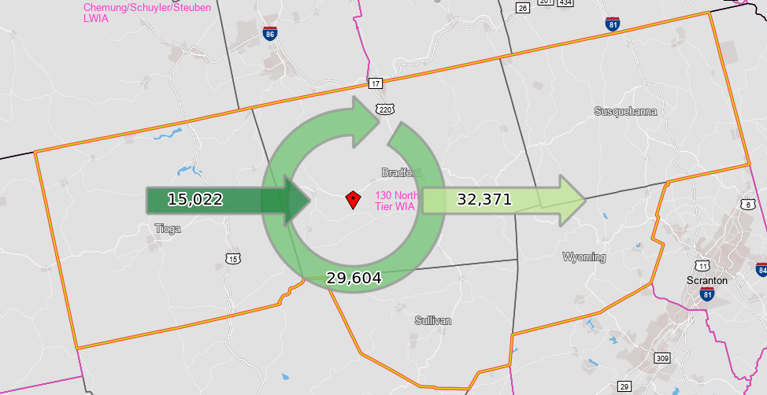
Employed in the WDA but Living Outside | 15,022 | 33.7%
Employed and Living in the WDA | 29,604 | 66.3%

Living in the WDA | 61,975 | 100.0%
Living in the WDA but Employed Outside | 32,371 | 52.2%
Living and Employed in the WDA | 29,604 | 47.8%

Net Commuting In/Out* | -17,349

*A positive number indicates the number of individuals working in the WDA but living outside is higher than the number of individuals living in the WDA but employed outside. A negative number indicates the opposite.

