EducDist
Educational Distribution by Educational Attainment Level for North Central WDA

Area | Educational Grouping | Employment (2018) | Projected Employment (2028)
North Central | Advanced degree | 2,570 | 2,750
North Central | Bachelor's degree | 13,220 | 13,760
North Central | Associate degree | 1,900 | 1,960
North Central | PS education or experience | 18,650 | 19,030
North Central | Long-term training | 4,400 | 4,450
North Central | Moderate-term OJT | 17,010 | 16,340
North Central | Short-term OJT | 33,710 | 33,720

Employment Distribution by Educational Level for North Central WDA (2028)
Employment Distribution by Educational Level for North Central WDA (2018)

Source: Long-Term Occupational Employment Projections (2018-28)

GrowthRates
Employment Growth Rates by Educational Attainment Level for North Central WDA

Area | Educational Grouping | Employment (2018) | Projected Employment (2028) | Percent Change (2018-28)
North Central | On-the-job training | 50,720 | 50,060 | -1.3%
North Central | Long-term training | 4,400 | 4,450 | 1.1%
North Central | PS education or experience | 18,650 | 19,030 | 2.0%
North Central | Associate degree | 1,900 | 1,960 | 3.2%
North Central | Bachelor's degree | 13,220 | 13,760 | 4.1%
North Central | Advanced degree | 2,570 | 2,750 | 7.0%

Employment Growth by Educational Level in North Central WDA (2018-28)

Source: Long-Term Occupational Employment Projections (2018-28)

Commuters
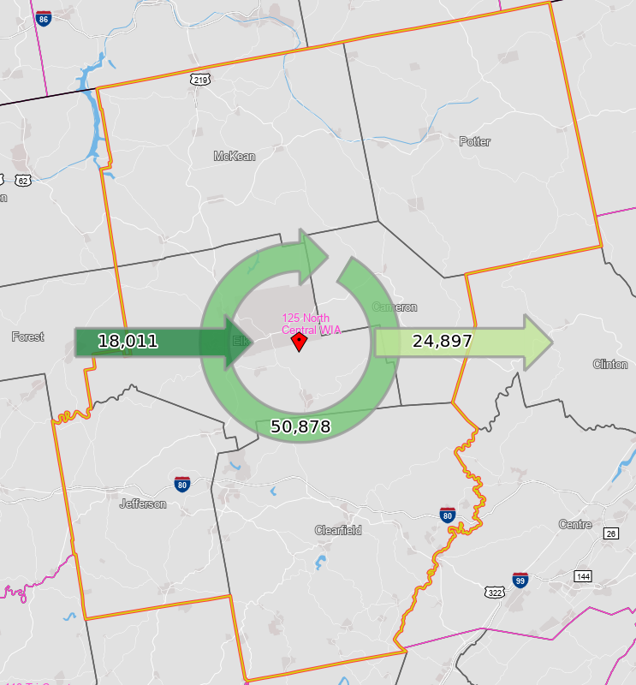
Inflow/Outflow Report, North Central WDA, 2018
 | Count | Share
Employed in the WDA | 68,889 | 100.0%
Employed in the WDA but Living Outside | 18,011 | 26.1%
Employed and Living in the WDA | 50,878 | 73.9%

Living in the WDA | 75,775 | 100.0%
Living in the WDA but Employed Outside | 24,897 | 32.9%
Living and Employed in the WDA | 50,878 | 67.1%

Net Commuting In/Out* | -6,886

*A positive number indicates the number of individuals working in the WDA but living outside is higher than the number of individuals living in the WDA but employed outside. A negative number indicates the opposite.

