EducDist
Educational Distribution by Educational Attainment Level for Montgomery County WDA

Area | Educational Grouping | Employment (2018) | Projected Employment (2028)
Montgomery County | Advanced degree | 23,830 | 26,400
Montgomery County | Bachelor's degree | 133,670 | 145,180
Montgomery County | Associate degree | 11,820 | 12,770
Montgomery County | PS education or experience | 81,800 | 87,440
Montgomery County | Long-term training | 19,400 | 20,560
Montgomery County | Moderate-term OJT | 58,120 | 60,000
Montgomery County | Short-term OJT | 196,970 | 205,310

Employment Distribution by Educational Level for Montgomery County WDA (2028)
Employment Distribution by Educational Level for Montgomery County WDA (2018)

Source: Long-Term Occupational Employment Projections (2018-28)

GrowthRates
Employment Growth Rates by Educational Attainment Level for Montgomery County WDA

Area | Educational Grouping | Employment (2018) | Projected Employment (2028) | Percent Change (2018-28)
Montgomery County | On-the-job training | 255,100 | 265,310 | 4.0%
Montgomery County | Long-term training | 19,400 | 20,560 | 6.0%
Montgomery County | PS education or experience | 81,800 | 87,440 | 6.9%
Montgomery County | Associate degree | 11,820 | 12,770 | 8.0%
Montgomery County | Bachelor's degree | 133,670 | 145,180 | 8.6%
Montgomery County | Advanced degree | 23,830 | 26,400 | 10.8%

Employment Growth by Educational Level in Montgomery County WDA (2018-28)

Source: Long-Term Occupational Employment Projections (2018-28)

Commuters
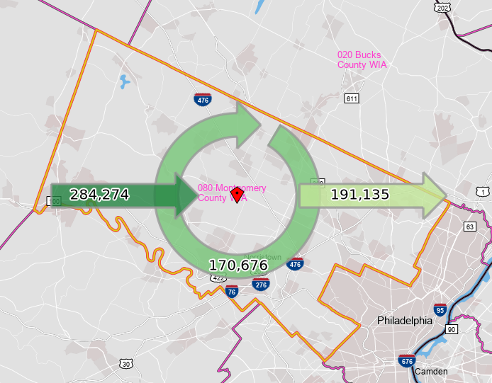
Inflow/Outflow Report, Montgomery County WDA, 2018
 | Count | Share
Employed in the WDA | 454,950 | 100.0%
Employed in the WDA but Living Outside | 284,274 | 62.5%
Employed and Living in the WDA | 170,676 | 37.5%

Living in the WDA | 361,811 | 100.0%
Living in the WDA but Employed Outside | 191,135 | 52.8%
Living and Employed in the WDA | 170,676 | 47.2%

Net Commuting In/Out* | 93,139

*A positive number indicates the number of individuals working in the WDA but living outside is higher than the number of individuals living in the WDA but employed outside. A negative number indicates the opposite.

