EducDist
Educational Distribution by Educational Attainment Level for Lehigh Valley WDA

Area | Educational Grouping | Employment (2018) | Projected Employment (2028)
Lehigh Valley | Advanced degree | 12,960 | 14,620
Lehigh Valley | Bachelor's degree | 58,700 | 64,550
Lehigh Valley | Associate degree | 8,000 | 8,830
Lehigh Valley | PS education or experience | 56,130 | 60,730
Lehigh Valley | Long-term training | 11,430 | 12,340
Lehigh Valley | Moderate-term OJT | 42,110 | 43,780
Lehigh Valley | Short-term OJT | 142,350 | 151,730

Employment Distribution by Educational Level for Lehigh Valley WDA (2028)
Employment Distribution by Educational Level for Lehigh Valley WDA (2018)

Source: Long-Term Occupational Employment Projections (2018-28)

GrowthRates
Employment Growth Rates by Educational Attainment Level for Lehigh Valley WDA

Area | Educational Grouping | Employment (2018) | Projected Employment (2028) | Percent Change (2018-28)
Lehigh Valley | On-the-job training | 184,460 | 195,510 | 6.0%
Lehigh Valley | Long-term training | 11,430 | 12,340 | 8.0%
Lehigh Valley | PS education or experience | 56,130 | 60,730 | 8.2%
Lehigh Valley | Associate degree | 8,000 | 8,830 | 10.4%
Lehigh Valley | Bachelor's degree | 58,700 | 64,550 | 10.0%
Lehigh Valley | Advanced degree | 12,960 | 14,620 | 12.8%

Employment Growth by Educational Level in Lehigh Valley WDA (2018-28)

Source: Long-Term Occupational Employment Projections (2018-28)

Commuters
Inflow/Outflow Report, Lehigh Valley WDA, 2018
 | Count | Share
Employed in the WDA | 269,837 | 100.0%
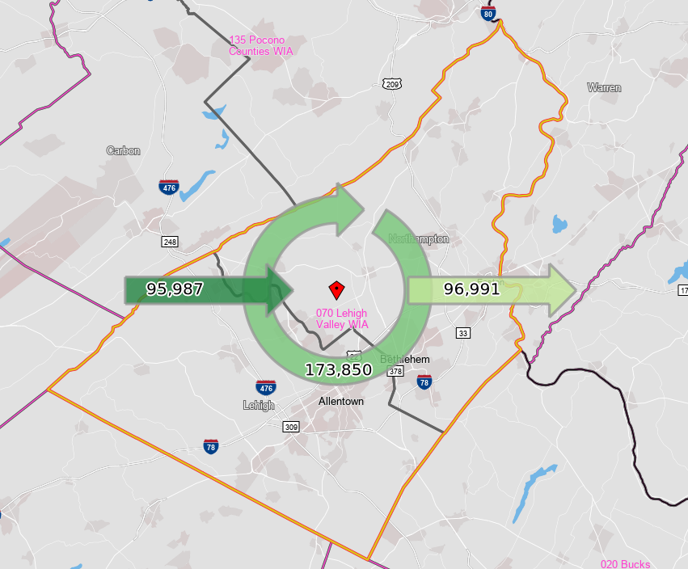
Employed in the WDA but Living Outside | 95,987 | 35.6%
Employed and Living in the WDA | 173,850 | 64.4%

Living in the WDA | 270,841 | 100.0%
Living in the WDA but Employed Outside | 96,991 | 35.8%
Living and Employed in the WDA | 173,850 | 64.2%

Net Commuting In/Out* | -1,004

*A positive number indicates the number of individuals working in the WDA but living outside is higher than the number of individuals living in the WDA but employed outside. A negative number indicates the opposite.

