EducDist
Educational Distribution by Educational Attainment Level for Lackawanna County WDA

Area | Educational Grouping | Employment (2018) | Projected Employment (2028)
Lackawanna County | Advanced degree | 4,510 | 4,890
Lackawanna County | Bachelor's degree | 17,310 | 18,420
Lackawanna County | Associate degree | 2,000 | 2,160
Lackawanna County | PS education or experience | 19,300 | 20,200
Lackawanna County | Long-term training | 3,610 | 3,760
Lackawanna County | Moderate-term OJT | 13,740 | 13,790
Lackawanna County | Short-term OJT | 44,550 | 45,370

Employment Distribution by Educational Level for Lackawanna County WDA (2028)
Employment Distribution by Educational Level for Lackawanna County WDA (2018)

Source: Long-Term Occupational Employment Projections (2018-28)

GrowthRates
Employment Growth Rates by Educational Attainment Level for Lackawanna County WDA

Area | Educational Grouping | Employment (2018) | Projected Employment (2028) | Percent Change (2018-28)
Lackawanna County | On-the-job training | 58,280 | 59,170 | 1.5%
Lackawanna County | Long-term training | 3,610 | 3,760 | 4.2%
Lackawanna County | PS education or experience | 19,300 | 20,200 | 4.7%
Lackawanna County | Associate degree | 2,000 | 2,160 | 8.0%
Lackawanna County | Bachelor's degree | 17,310 | 18,420 | 6.4%
Lackawanna County | Advanced degree | 4,510 | 4,890 | 8.4%

Employment Growth by Educational Level in Lackawanna County WDA (2018-28)

Source: Long-Term Occupational Employment Projections (2018-28)

Commuters
Inflow/Outflow Report, Lackawanna County WDA, 2018
 | Count | Share
Employed in the WDA | 82,790 | 100.0%
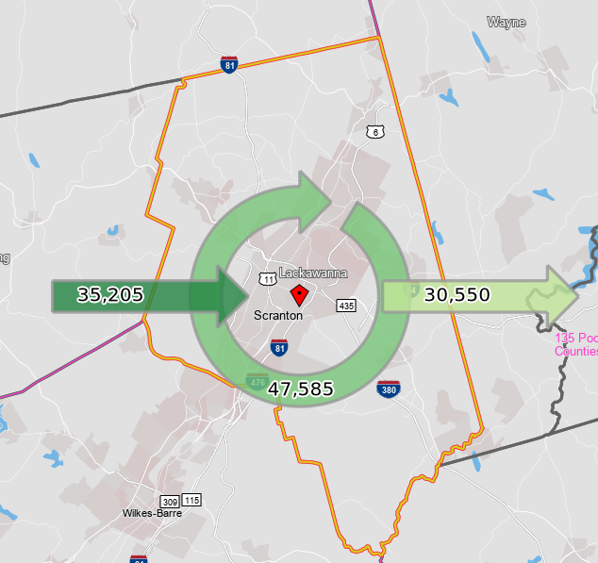
Employed in the WDA but Living Outside | 35,205 | 42.5%
Employed and Living in the WDA | 47,585 | 57.5%

Living in the WDA | 78,135 | 100.0%
Living in the WDA but Employed Outside | 30,550 | 39.1%
Living and Employed in the WDA | 47,585 | 60.9%

Net Commuting In/Out* | 4,655

*A positive number indicates the number of individuals working in the WDA but living outside is higher than the number of individuals living in the WDA but employed outside. A negative number indicates the opposite.

