EducDist
Educational Distribution by Educational Attainment Level for Delaware County WDA

Area | Educational Grouping | Employment (2018) | Projected Employment (2028)
Delaware County | Advanced degree | 11,270 | 12,430
Delaware County | Bachelor's degree | 52,160 | 56,220
Delaware County | Associate degree | 4,640 | 5,030
Delaware County | PS education or experience | 41,810 | 44,120
Delaware County | Long-term training | 8,760 | 9,150
Delaware County | Moderate-term OJT | 25,870 | 26,260
Delaware County | Short-term OJT | 99,100 | 102,660

Employment Distribution by Educational Level for Delaware County WDA (2028)
Employment Distribution by Educational Level for Delaware County WDA (2018)

Source: Long-Term Occupational Employment Projections (2018-28)

GrowthRates
Employment Growth Rates by Educational Attainment Level for Delaware County WDA

Area | Educational Grouping | Employment (2018) | Projected Employment (2028) | Percent Change (2018-28)
Delaware County | On-the-job training | 124,970 | 128,920 | 3.2%
Delaware County | Long-term training | 8,760 | 9,150 | 4.5%
Delaware County | PS education or experience | 41,810 | 44,120 | 5.5%
Delaware County | Associate degree | 4,640 | 5,030 | 8.4%
Delaware County | Bachelor's degree | 52,160 | 56,220 | 7.8%
Delaware County | Advanced degree | 11,270 | 12,430 | 10.3%

Employment Growth by Educational Level in Delaware County WDA (2018-28)

Source: Long-Term Occupational Employment Projections (2018-28)

Commuters
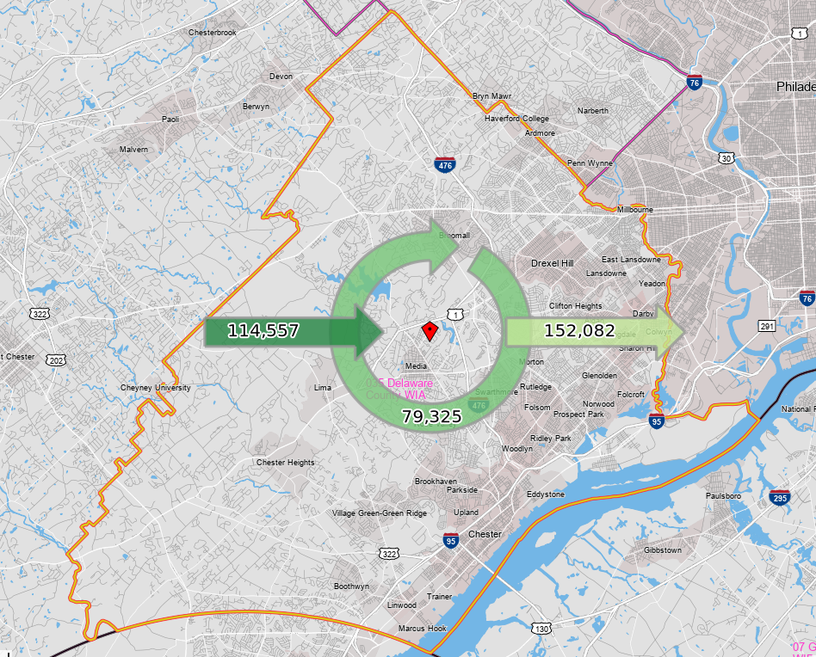
Inflow/Outflow Report, Delaware County WDA, 2018
 | Count | Share
Employed in the WDA | 193,882 | 100.0%
Employed in the WDA but Living Outside | 114,557 | 59.1%
Employed and Living in the WDA | 79,325 | 40.9%

Living in the WDA | 231,407 | 100.0%
Living in the WDA but Employed Outside | 152,082 | 65.7%
Living and Employed in the WDA | 79,325 | 34.3%

Net Commuting In/Out* | -37,525

*A positive number indicates the number of individuals working in the WDA but living outside is higher than the number of individuals living in the WDA but employed outside. A negative number indicates the opposite.

