EducDist
Educational Distribution by Educational Attainment Level for Central WDA

Area | Educational Grouping | Employment (2018) | Projected Employment (2028)
Central | Advanced degree | 14,110 | 15,630
Central | Bachelor's degree | 46,610 | 50,090
Central | Associate degree | 5,550 | 6,000
Central | PS education or experience | 50,260 | 52,540
Central | Long-term training | 10,220 | 10,700
Central | Moderate-term OJT | 38,530 | 38,890
Central | Short-term OJT | 111,630 | 115,250

Employment Distribution by Educational Level for Central WDA (2028)
Employment Distribution by Educational Level for Central WDA (2018)

Source: Long-Term Occupational Employment Projections (2018-28)

GrowthRates
Employment Growth Rates by Educational Attainment Level for Central WDA

Area | Educational Grouping | Employment (2018) | Projected Employment (2028) | Percent Change (2018-28)
Central | On-the-job training | 150,150 | 154,150 | 2.7%
Central | Long-term training | 10,220 | 10,700 | 4.7%
Central | PS education or experience | 50,260 | 52,540 | 4.5%
Central | Associate degree | 5,550 | 6,000 | 8.1%
Central | Bachelor's degree | 46,610 | 50,090 | 7.5%
Central | Advanced degree | 14,110 | 15,630 | 10.8%

Employment Growth by Educational Level in Central WDA (2018-28)

Source: Long-Term Occupational Employment Projections (2018-28)

Commuters
Inflow/Outflow Report, Central WDA, 2018
 | Count | Share
Employed in the WDA | 187,885 | 100.0%
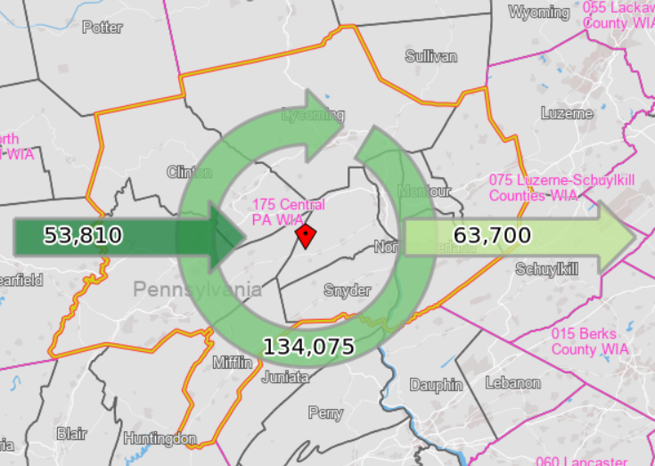
Employed in the WDA but Living Outside | 53,810 | 28.6%
Employed and Living in the WDA | 134,075 | 71.4%

Living in the WDA | 197,775 | 100.0%
Living in the WDA but Employed Outside | 63,700 | 32.2%
Living and Employed in the WDA | 134,075 | 67.8%

Net Commuting In/Out* | -9,890

*A positive number indicates the number of individuals working in the WDA but living outside is higher than the number of individuals living in the WDA but employed outside. A negative number indicates the opposite.

