EducDist
Educational Distribution by Educational Attainment Level for Bucks County WDA

Area | Educational Grouping | Employment (2018) | Projected Employment (2028)
Bucks County | Advanced degree | 9,630 | 10,630
Bucks County | Bachelor's degree | 49,390 | 52,650
Bucks County | Associate degree | 6,430 | 6,830
Bucks County | PS education or experience | 53,260 | 55,680
Bucks County | Long-term training | 11,800 | 12,240
Bucks County | Moderate-term OJT | 35,380 | 35,500
Bucks County | Short-term OJT | 122,300 | 126,210

Employment Distribution by Educational Level for Bucks County WDA (2028)
Employment Distribution by Educational Level for Bucks County WDA (2018)

Source: Long-Term Occupational Employment Projections (2018-28)

GrowthRates
Employment Growth Rates by Educational Attainment Level for Bucks County WDA

Area | Educational Grouping | Employment (2018) | Projected Employment (2028) | Percent Change (2018-28)
Bucks County | On-the-job training | 157,680 | 161,710 | 2.6%
Bucks County | Long-term training | 11,800 | 12,240 | 3.7%
Bucks County | PS education or experience | 53,260 | 55,680 | 4.5%
Bucks County | Associate degree | 6,430 | 6,830 | 6.2%
Bucks County | Bachelor's degree | 49,390 | 52,650 | 6.6%
Bucks County | Advanced degree | 9,630 | 10,630 | 10.4%

Employment Growth by Educational Level in Bucks County WDA (2018-28)

Source: Long-Term Occupational Employment Projections (2018-28)

Commuters
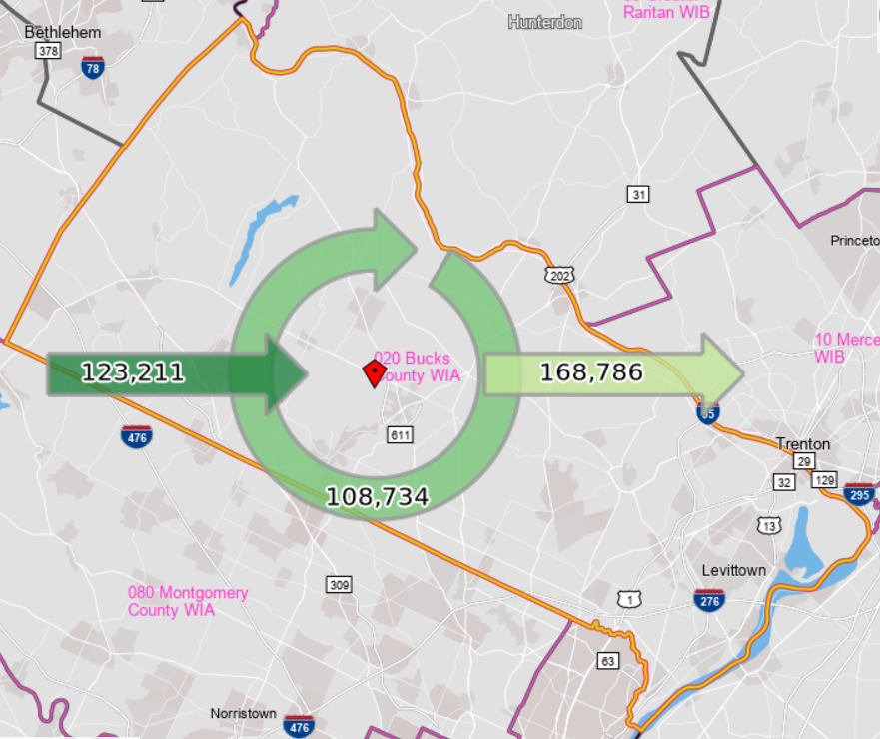
Inflow/Outflow Report, Bucks County WDA, 2018
 | Count | Share
Employed in the WDA | 231,945 | 100.0%
Employed in the WDA but Living Outside | 123,211 | 53.1%
Employed and Living in the WDA | 108,734 | 46.9%

Living in the WDA | 277,520 | 100.0%
Living in the WDA but Employed Outside | 168,786 | 60.8%
Living and Employed in the WDA | 108,734 | 39.2%

Net Commuting In/Out* | -45,575

*A positive number indicates the number of individuals working in the WDA but living outside is higher than the number of individuals living in the WDA but employed outside. A negative number indicates the opposite.

