EducDist
Educational Distribution by Educational Attainment Level for Berks County WDA

Area | Educational Grouping | Employment (2018) | Projected Employment (2028)
Berks County | Advanced degree | 6,100 | 6,870
Berks County | Bachelor's degree | 33,870 | 36,920
Berks County | Associate degree | 4,480 | 4,800
Berks County | PS education or experience | 32,240 | 34,450
Berks County | Long-term training | 7,930 | 8,500
Berks County | Moderate-term OJT | 26,720 | 27,520
Berks County | Short-term OJT | 77,290 | 81,990

Employment Distribution by Educational Level for Berks County WDA (2028)
Employment Distribution by Educational Level for Berks County WDA (2018)

Source: Long-Term Occupational Employment Projections (2018-28)

GrowthRates
Employment Growth Rates by Educational Attainment Level for Berks County WDA

Area | Educational Grouping | Employment (2018) | Projected Employment (2028) | Percent Change (2018-28)
Berks County | On-the-job training | 104,010 | 109,510 | 5.3%
Berks County | Long-term training | 7,930 | 8,500 | 7.2%
Berks County | PS education or experience | 32,240 | 34,450 | 6.9%
Berks County | Associate degree | 4,480 | 4,800 | 7.1%
Berks County | Bachelor's degree | 33,870 | 36,920 | 9.0%
Berks County | Advanced degree | 6,100 | 6,870 | 12.6%

Employment Growth by Educational Level in Berks County WDA (2018-28)

Source: Long-Term Occupational Employment Projections (2018-28)

Commuters
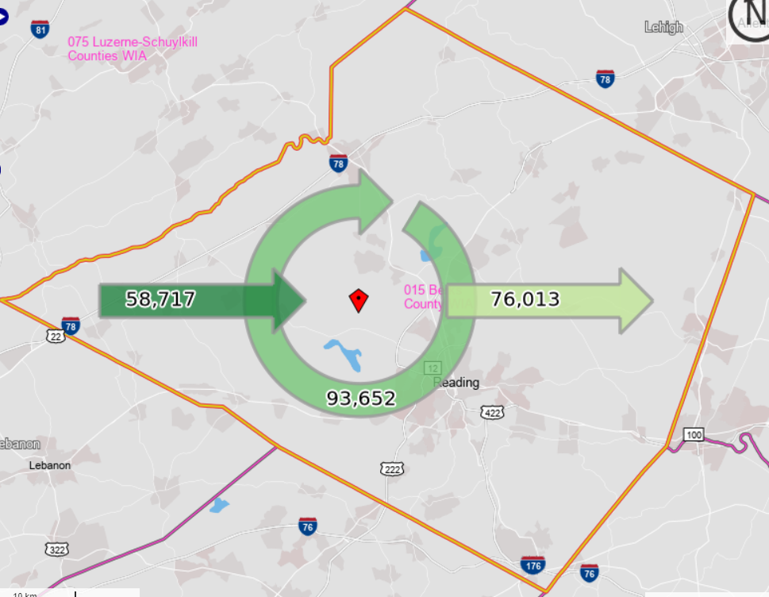
Inflow/Outflow Report, Berks County WDA, 2018
 | Count | Share
Employed in the WDA | 152,369 | 100.0%
Employed in the WDA but Living Outside | 58,717 | 38.5%
Employed and Living in the WDA | 93,652 | 61.5%

Living in the WDA | 169,665 | 100.0%
Living in the WDA but Employed Outside | 76,013 | 44.8%
Living and Employed in the WDA | 93,652 | 55.2%

Net Commuting In/Out* | -17,296

*A positive number indicates the number of individuals working in the WDA but living outside is higher than the number of individuals living in the WDA but employed outside. A negative number indicates the opposite.

